Sheet1
Copy data from Tracker and paste into A3 |  |  |  | Let these populate on their own |  |  |  |  |  |  | Here are the results
Binary waveform
profile_A | 0.00
x
0.15 | 1.00
0.17 | 1.00
0.19 | 1.00
0.21 | 0.00
0.23 | 0.00
0.25 | 0.00
0.27 | 0.00
0.29 | 0.00
0.31 | 0.00
0.33 | 1.00
0.35 | 1.00
0.37 | 1.00
0.39 | 1.00
0.41 | 1.00
0.43 | 1.00
0.45 | 1.00
0.46 | 1.00
0.48 | 1.00
0.50 | 0.00
0.52 | 0.00
0.54 | 0.00
0.56 | 0.00
0.58 | 0.00
0.60 | 1.00
0.62 | 1.00
0.64 | 1.00
0.66 | 1.00
0.68 | 1.00
0.70 | 1.00
0.72 | 1.00
0.74 | 1.00
0.75 | 0.00
0.77 | 0.00
0.79 | 0.00
0.81 | 0.00
0.83 | 0.00
0.85 | 0.00
0.87 | 1.00
0.89 | 1.00
0.91 | 1.00
0.93 | 1.00
0.95 | 1.00
0.97 | 1.00
0.99 | 1.00
1.01 | 1.00
1.03 | 0.00
1.04 | 0.00
1.06 | 0.00
...
 | profile_A |  |  | Binary | Transition | Remove troughs | Pixel # | Pix Spacing | Peaks | Spacing | Mean (mm) | Accuracy | StDev (±mm) | Precision | Pixel/mm
n | x | y | luma
0.00 | 0.15 | -1.07 | 161.34 | 1.00 |  | 0.00 |  |  |  |  | 0.27 | 8% | 0.02 | 7% | 52.00
1.00 | 0.17 | -1.07 | 158.14 | 1.00
2.00 | 0.19 | -1.07 | 135.36 | 1.00 | 0.15 | 0.15 | 0.00 |  | 0.15
3.00 | 0.21 | -1.07 | 112.51 | 0.00 |  |  | 9.00 | 9.00 | 0.33 | 0.17
4.00 | 0.23 | -1.07 | 96.43 | 0.00 |  |  | 23.00 | 14.00 | 0.60 | 0.27
5.00 | 0.25 | -1.07 | 86.33 | 0.00 | 0.21 |  | 37.00 | 14.00 | 0.87 | 0.27
6.00 | 0.27 | -1.07 | 83.78 | 0.00 |  |  | 52.00 | 15.00 | 1.16 | 0.29
7.00 | 0.29 | -1.07 | 89.32 | 0.00 |  |  | 65.00 | 13.00 | 1.41 | 0.25
8.00 | 0.31 | -1.07 | 102.10 | 0.00 |  |  | 80.00 | 15.00 | 1.70 | 0.29
9.00 | 0.33 | -1.07 | 126.26 | 1.00 |  |  | 93.00 | 13.00 | 1.95 | 0.25
10.00 | 0.35 | -1.07 | 143.06 | 1.00 |  |  | 107.00 | 14.00 | 2.22 | 0.27
11.00 | 0.37 | -1.07 | 149.09 | 1.00 | 0.33 | 0.33 | 120.00 | 13.00 | 2.48 | 0.25
12.00 | 0.39 | -1.07 | 149.58 | 1.00 |  |  | 134.00 | 14.00 | 2.75 | 0.27
13.00 | 0.41 | -1.07 | 145.43 | 1.00 |  |  | 148.00 | 14.00 | 3.02 | 0.27
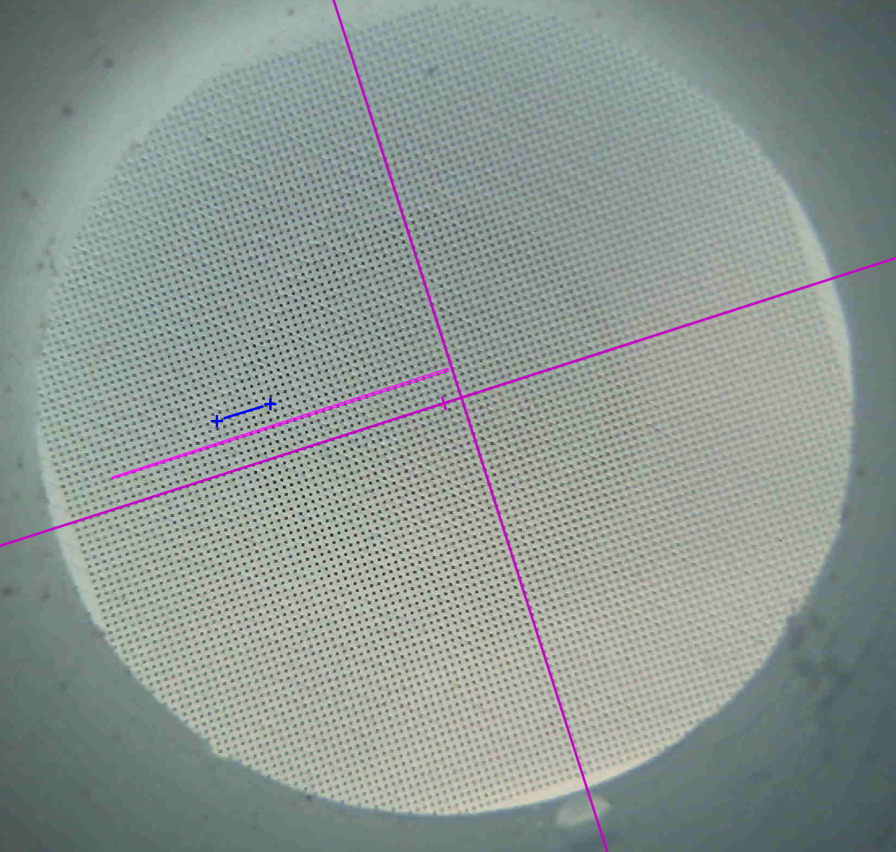
14.00 | 0.43 | -1.07 | 146.52 | 1.00 |  |  | 162.00 | 14.00 | 3.29 | 0.27
15.00 | 0.45 | -1.07 | 150.35 | 1.00 |  |  | 176.00 | 14.00 | 3.56 | 0.27
16.00 | 0.46 | -1.07 | 149.01 | 1.00 |  |  | 190.00 | 14.00 | 3.83 | 0.27
17.00 | 0.48 | -1.07 | 141.79 | 1.00 |  |  | 204.00 | 14.00 | 4.10 | 0.27
18.00 | 0.50 | -1.07 | 107.03 | 0.00 |  |  | 218.00 | 14.00 | 4.37 | 0.27
19.00 | 0.52 | -1.07 | 91.45 | 0.00 |  |  | 232.00 | 14.00 | 4.64 | 0.27
20.00 | 0.54 | -1.07 | 85.80 | 0.00 | 0.50 |  | 246.00 | 14.00 | 4.91 | 0.27
21.00 | 0.56 | -1.07 | 91.65 | 0.00 |  |  | 260.00 | 14.00 | 5.18 | 0.27
22.00 | 0.58 | -1.07 | 111.23 | 0.00 |  |  | 274.00 | 14.00 | 5.45 | 0.27
23.00 | 0.60 | -1.07 | 129.07 | 1.00 |  |  | 288.00 | 14.00 | 5.72 | 0.27
24.00 | 0.62 | -1.07 | 142.22 | 1.00 |  |  | 301.00 | 13.00 | 5.98 | 0.25
25.00 | 0.64 | -1.07 | 154.44 | 1.00 | 0.60 | 0.60 | 316.00 | 15.00 | 6.27 | 0.29
26.00 | 0.66 | -1.07 | 157.21 | 1.00 |  |  | 330.00 | 14.00 | 6.54 | 0.27
27.00 | 0.68 | -1.07 | 157.14 | 1.00 |  |  | 344.00 | 14.00 | 6.81 | 0.27
28.00 | 0.70 | -1.07 | 158.12 | 1.00 |  |  | 358.00 | 14.00 | 7.08 | 0.27
29.00 | 0.72 | -1.07 | 155.99 | 1.00 |  |  | 372.00 | 14.00 | 7.35 | 0.27
30.00 | 0.74 | -1.07 | 143.71 | 1.00 |  |  | 386.00 | 14.00 | 7.62 | 0.27
31.00 | 0.75 | -1.07 | 118.85 | 0.00 |  |  | 401.00 | 15.00 | 7.91 | 0.29
32.00 | 0.77 | -1.07 | 100.03 | 0.00 |  |  | 414.00 | 13.00 | 8.16 | 0.25
33.00 | 0.79 | -1.07 | 86.75 | 0.00 | 0.75 |  | 428.00 | 14.00 | 8.43 | 0.27
34.00 | 0.81 | -1.07 | 81.55 | 0.00 |  |  | 443.00 | 15.00 | 8.72 | 0.29
35.00 | 0.83 | -1.07 | 77.47 | 0.00 |  |  | 457.00 | 14.00 | 8.99 | 0.27
36.00 | 0.85 | -1.07 | 83.92 | 0.00 |  |  | 471.00 | 14.00 | 9.26 | 0.27
37.00 | 0.87 | -1.07 | 125.55 | 1.00 |  |  | 485.00 | 14.00 | 9.53 | 0.27
38.00 | 0.89 | -1.07 | 134.54 | 1.00 |  |  | 499.00 | 14.00 | 9.80 | 0.27
39.00 | 0.91 | -1.07 | 141.64 | 1.00 | 0.87 | 0.87 | 514.00 | 15.00 | 10.09 | 0.29
40.00 | 0.93 | -1.07 | 152.31 | 1.00 |  |  | 527.00 | 13.00 | 10.35 | 0.25
41.00 | 0.95 | -1.07 | 165.59 | 1.00 |  |  | 542.00 | 15.00 | 10.64 | 0.29
42.00 | 0.97 | -1.07 | 166.86 | 1.00 |  |  | 556.00 | 14.00 | 10.91 | 0.27
43.00 | 0.99 | -1.07 | 161.77 | 1.00 |  |  | 571.00 | 15.00 | 11.20 | 0.29
44.00 | 1.01 | -1.07 | 138.74 | 1.00 |  |  | 585.00 | 14.00 | 11.47 | 0.27
45.00 | 1.03 | -1.07 | 118.13 | 0.00 |  |  | 600.00 | 15.00 | 11.76 | 0.29
46.00 | 1.04 | -1.07 | 101.46 | 0.00 |  |  | 613.00 | 13.00 | 12.01 | 0.25
47.00 | 1.06 | -1.07 | 87.97 | 0.00 | 1.03 |  | 629.00 | 16.00 | 12.32 | 0.31
48.00 | 1.08 | -1.07 | 81.46 | 0.00 |  |  | 643.00 | 14.00 | 12.59 | 0.27
49.00 | 1.10 | -1.07 | 87.33 | 0.00 |  |  | 0.00
50.00 | 1.12 | -1.07 | 97.43 | 0.00 |  |  | 0.00
51.00 | 1.14 | -1.07 | 119.29 | 0.00 |  |  | 0.00
52.00 | 1.16 | -1.07 | 147.27 | 1.00 |  |  | 0.00
53.00 | 1.18 | -1.07 | 171.71 | 1.00 |  |  | 0.00
54.00 | 1.20 | -1.07 | 174.64 | 1.00 | 1.16 | 1.16 | 0.00
55.00 | 1.22 | -1.07 | 173.45 | 1.00 |  |  | 0.00
56.00 | 1.24 | -1.07 | 174.07 | 1.00 |  |  | 0.00
57.00 | 1.26 | -1.07 | 173.93 | 1.00 |  |  | 0.00
58.00 | 1.28 | -1.07 | 162.11 | 1.00 |  |  | 0.00
59.00 | 1.30 | -1.07 | 135.95 | 1.00 |  |  | 0.00
60.00 | 1.32 | -1.07 | 102.54 | 0.00 |  |  | 0.00
61.00 | 1.33 | -1.07 | 65.21 | 0.00 |  |  | 0.00
62.00 | 1.35 | -1.07 | 63.70 | 0.00 | 1.32 |  | 0.00
63.00 | 1.37 | -1.07 | 74.12 | 0.00 |  |  | 0.00
64.00 | 1.39 | -1.07 | 102.05 | 0.00 |  |  | 0.00
65.00 | 1.41 | -1.07 | 129.76 | 1.00 |  |  | 0.00
66.00 | 1.43 | -1.07 | 150.10 | 1.00 |  |  | 0.00
67.00 | 1.45 | -1.07 | 158.94 | 1.00 | 1.41 | 1.41 | 0.00
68.00 | 1.47 | -1.07 | 158.50 | 1.00 |  |  | 0.00
69.00 | 1.49 | -1.07 | 155.35 | 1.00 |  |  | 0.00
70.00 | 1.51 | -1.07 | 153.65 | 1.00 |  |  | 0.00
71.00 | 1.53 | -1.07 | 147.27 | 1.00 |  |  | 0.00
72.00 | 1.55 | -1.07 | 131.89 | 1.00 |  |  | 0.00
73.00 | 1.57 | -1.07 | 109.23 | 0.00 |  |  | 0.00
74.00 | 1.59 | -1.07 | 84.42 | 0.00 |  |  | 0.00
75.00 | 1.61 | -1.07 | 75.53 | 0.00 | 1.57 |  | 0.00
76.00 | 1.62 | -1.07 | 77.32 | 0.00 |  |  | 0.00
77.00 | 1.64 | -1.07 | 82.23 | 0.00 |  |  | 0.00
78.00 | 1.66 | -1.07 | 91.59 | 0.00 |  |  | 0.00
79.00 | 1.68 | -1.07 | 115.30 | 0.00 |  |  | 0.00
80.00 | 1.70 | -1.07 | 123.79 | 1.00 |  |  | 0.00
81.00 | 1.72 | -1.07 | 136.44 | 1.00 |  |  | 0.00
82.00 | 1.74 | -1.07 | 149.99 | 1.00 | 1.70 | 1.70 | 0.00
83.00 | 1.76 | -1.07 | 160.01 | 1.00 |  |  | 0.00
84.00 | 1.78 | -1.07 | 163.10 | 1.00 |  |  | 0.00
85.00 | 1.80 | -1.07 | 156.04 | 1.00 |  |  | 0.00
86.00 | 1.82 | -1.07 | 147.62 | 1.00 |  |  | 0.00
87.00 | 1.84 | -1.07 | 115.36 | 0.00 |  |  | 0.00
88.00 | 1.86 | -1.07 | 96.81 | 0.00 |  |  | 0.00
89.00 | 1.88 | -1.07 | 87.70 | 0.00 | 1.84 |  | 0.00
90.00 | 1.90 | -1.07 | 76.29 | 0.00 |  |  | 0.00
91.00 | 1.91 | -1.07 | 79.80 | 0.00 |  |  | 0.00
92.00 | 1.93 | -1.07 | 96.62 | 0.00 |  |  | 0.00
93.00 | 1.95 | -1.07 | 129.85 | 1.00 |  |  | 0.00
94.00 | 1.97 | -1.07 | 164.35 | 1.00 |  |  | 0.00
95.00 | 1.99 | -1.07 | 177.33 | 1.00 | 1.95 | 1.95 | 0.00
96.00 | 2.01 | -1.07 | 157.16 | 1.00 |  |  | 0.00
97.00 | 2.03 | -1.07 | 154.22 | 1.00 |  |  | 0.00
98.00 | 2.05 | -1.07 | 157.73 | 1.00 |  |  | 0.00
99.00 | 2.07 | -1.07 | 147.93 | 1.00 |  |  | 0.00
100.00 | 2.09 | -1.07 | 124.81 | 1.00 |  |  | 0.00
101.00 | 2.11 | -1.07 | 106.35 | 0.00 |  |  | 0.00
102.00 | 2.13 | -1.07 | 102.07 | 0.00 |  |  | 0.00
103.00 | 2.15 | -1.07 | 90.77 | 0.00 | 2.11 |  | 0.00
104.00 | 2.17 | -1.07 | 87.22 | 0.00 |  |  | 0.00
105.00 | 2.19 | -1.07 | 93.65 | 0.00 |  |  | 0.00
106.00 | 2.20 | -1.07 | 110.24 | 0.00 |  |  | 0.00
107.00 | 2.22 | -1.07 | 137.39 | 1.00 |  |  | 0.00
108.00 | 2.24 | -1.07 | 150.23 | 1.00 |  |  | 0.00
109.00 | 2.26 | -1.07 | 154.07 | 1.00 | 2.22 | 2.22 | 0.00
110.00 | 2.28 | -1.07 | 154.31 | 1.00 |  |  | 0.00
111.00 | 2.30 | -1.07 | 153.03 | 1.00 |  |  | 0.00
112.00 | 2.32 | -1.07 | 150.52 | 1.00 |  |  | 0.00
113.00 | 2.34 | -1.07 | 139.52 | 1.00 |  |  | 0.00
114.00 | 2.36 | -1.07 | 134.27 | 1.00 |  |  | 0.00
115.00 | 2.38 | -1.07 | 124.92 | 1.00 |  |  | 0.00
116.00 | 2.40 | -1.07 | 95.71 | 0.00 |  |  | 0.00
117.00 | 2.42 | -1.07 | 68.22 | 0.00 |  |  | 0.00
118.00 | 2.44 | -1.07 | 66.41 | 0.00 | 2.40 |  | 0.00
119.00 | 2.46 | -1.07 | 103.69 | 0.00 |  |  | 0.00
120.00 | 2.48 | -1.07 | 147.92 | 1.00 |  |  | 0.00
121.00 | 2.49 | -1.07 | 154.99 | 1.00 |  |  | 0.00
122.00 | 2.51 | -1.07 | 162.29 | 1.00 | 2.48 | 2.48 | 0.00
123.00 | 2.53 | -1.07 | 165.16 | 1.00 |  |  | 0.00
124.00 | 2.55 | -1.07 | 168.79 | 1.00 |  |  | 0.00
125.00 | 2.57 | -1.07 | 168.48 | 1.00 |  |  | 0.00
126.00 | 2.59 | -1.07 | 153.99 | 1.00 |  |  | 0.00
127.00 | 2.61 | -1.07 | 137.71 | 1.00 |  |  | 0.00
128.00 | 2.63 | -1.07 | 121.31 | 1.00 |  |  | 0.00
129.00 | 2.65 | -1.07 | 112.69 | 0.00 |  |  | 0.00
130.00 | 2.67 | -1.07 | 109.97 | 0.00 |  |  | 0.00
131.00 | 2.69 | -1.07 | 101.78 | 0.00 | 2.65 |  | 0.00
132.00 | 2.71 | -1.07 | 94.87 | 0.00 |  |  | 0.00
133.00 | 2.73 | -1.07 | 105.00 | 0.00 |  |  | 0.00
134.00 | 2.75 | -1.07 | 124.81 | 1.00 |  |  | 0.00
135.00 | 2.77 | -1.07 | 145.06 | 1.00 |  |  | 0.00
136.00 | 2.78 | -1.07 | 160.68 | 1.00 | 2.75 | 2.75 | 0.00
137.00 | 2.80 | -1.07 | 162.96 | 1.00 |  |  | 0.00
138.00 | 2.82 | -1.07 | 154.28 | 1.00 |  |  | 0.00
139.00 | 2.84 | -1.07 | 155.52 | 1.00 |  |  | 0.00
140.00 | 2.86 | -1.07 | 153.76 | 1.00 |  |  | 0.00
141.00 | 2.88 | -1.07 | 148.66 | 1.00 |  |  | 0.00
142.00 | 2.90 | -1.07 | 133.94 | 1.00 |  |  | 0.00
143.00 | 2.92 | -1.07 | 117.72 | 0.00 |  |  | 0.00
144.00 | 2.94 | -1.07 | 103.09 | 0.00 |  |  | 0.00
145.00 | 2.96 | -1.07 | 89.59 | 0.00 | 2.92 |  | 0.00
146.00 | 2.98 | -1.07 | 80.28 | 0.00 |  |  | 0.00
147.00 | 3.00 | -1.07 | 95.69 | 0.00 |  |  | 0.00
148.00 | 3.02 | -1.07 | 121.18 | 1.00 |  |  | 0.00
149.00 | 3.04 | -1.07 | 157.14 | 1.00 |  |  | 0.00
150.00 | 3.06 | -1.07 | 178.97 | 1.00 | 3.02 | 3.02 | 0.00
151.00 | 3.07 | -1.07 | 184.84 | 1.00 |  |  | 0.00
152.00 | 3.09 | -1.07 | 176.74 | 1.00 |  |  | 0.00
153.00 | 3.11 | -1.07 | 166.74 | 1.00 |  |  | 0.00
154.00 | 3.13 | -1.07 | 159.26 | 1.00 |  |  | 0.00
155.00 | 3.15 | -1.07 | 138.63 | 1.00 |  |  | 0.00
156.00 | 3.17 | -1.07 | 113.80 | 0.00 |  |  | 0.00
157.00 | 3.19 | -1.07 | 109.18 | 0.00 |  |  | 0.00
158.00 | 3.21 | -1.07 | 106.16 | 0.00 | 3.17 |  | 0.00
159.00 | 3.23 | -1.07 | 86.20 | 0.00 |  |  | 0.00
160.00 | 3.25 | -1.07 | 69.74 | 0.00 |  |  | 0.00
161.00 | 3.27 | -1.07 | 86.20 | 0.00 |  |  | 0.00
162.00 | 3.29 | -1.07 | 128.23 | 1.00 |  |  | 0.00
...

